Picture
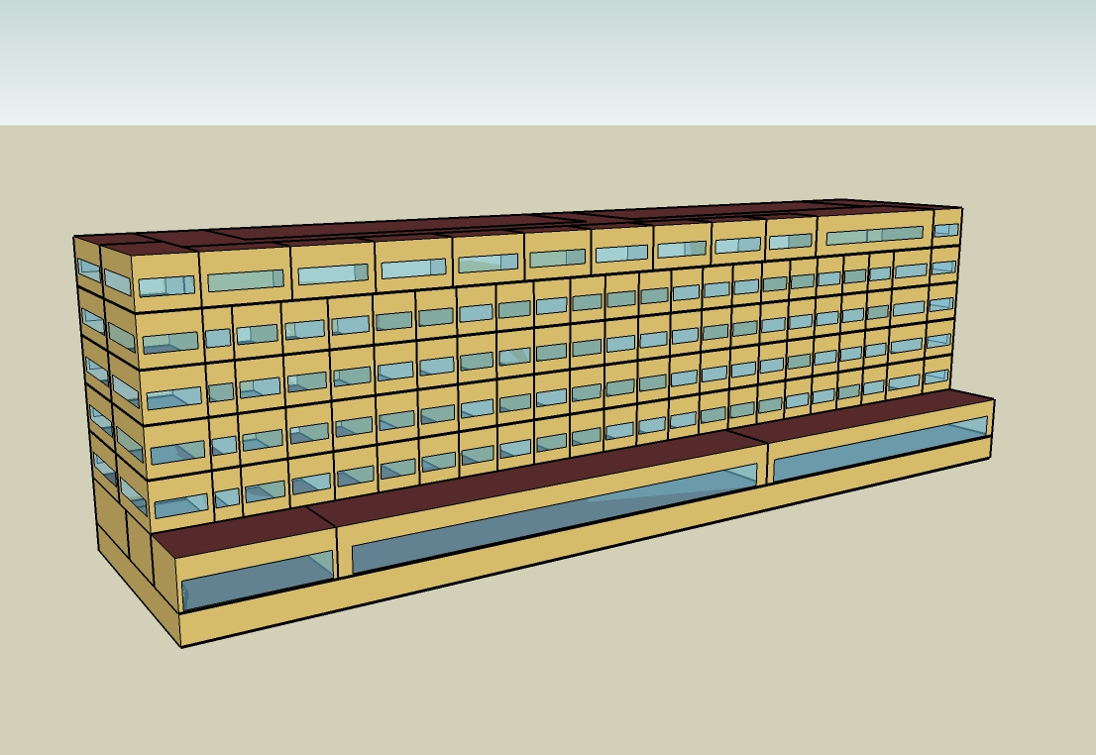
DOE Commercial Building Benchmark - Large Hotel

Electricity
 | Cooling | Interior Lighting | Exterior Lighting | Interior Equipment | Fans | Pumps | Refrigeration
Miami | 1,235,130.56 | 621,566.67 | 51,961.11 | 542,272.22 | 319,269.44 | 37,983.33 | 21,827.78
Houston | 930,930.56 | 621,566.67 | 51,941.67 | 542,272.22 | 317,088.89 | 30,411.11 | 21,063.89
Phoenix | 887,316.67 | 621,566.67 | 51,933.33 | 542,272.22 | 325,844.44 | 27,480.56 | 21,205.56
Atlanta | 586,511.11 | 621,566.67 | 51,925.00 | 542,272.22 | 315,686.11 | 23,722.22 | 20,400.00
Los Angeles | 424,572.22 | 621,566.67 | 51,886.11 | 542,272.22 | 318,072.22 | 19,500.00 | 20,583.33
Las Vegas | 657,605.56 | 621,566.67 | 51,872.22 | 542,272.22 | 322,286.11 | 21,991.67 | 20,688.89
San Francisco | 225,611.11 | 621,566.67 | 51,900.00 | 542,272.22 | 309,572.22 | 15,616.67 | 19,980.56
Baltimore | 490,936.11 | 621,566.67 | 51,869.44 | 542,272.22 | 313,375.00 | 21,588.89 | 19,952.78
Albuquerque | 385,763.89 | 621,566.67 | 51,888.89 | 542,272.22 | 323,975.00 | 18,388.89 | 19,961.11
Seattle | 221,144.44 | 621,566.67 | 51,786.11 | 542,272.22 | 316,136.11 | 15,730.56 | 19,583.33
Chicago | 377,238.89 | 621,566.67 | 51,877.78 | 542,272.22 | 314,902.78 | 19,691.67 | 19,613.89
Boulder | 304,708.33 | 621,566.67 | 51,847.22 | 542,272.22 | 321,444.44 | 17,041.67 | 19,580.56
Minneapolis | 354,316.67 | 621,566.67 | 51,844.44 | 542,272.22 | 315,427.78 | 19,944.44 | 19,475.00
Helena | 246,408.33 | 621,566.67 | 51,830.56 | 542,272.22 | 319,513.89 | 16,719.44 | 19,266.67
Duluth | 229,011.11 | 621,566.67 | 51,802.78 | 542,272.22 | 319,022.22 | 17,494.44 | 19,005.56
Fairbanks | 175,558.33 | 621,566.67 | 51,486.11 | 542,272.22 | 329,891.67 | 18,597.22 | 18,605.56

Gas
 | Heating | Interior Equipment | Water Systems
Miami | 176,020.00 | 1,238,650.00 | 3,829,470.00
Houston | 913,860.00 | 1,238,650.00 | 4,855,150.00
Phoenix | 555,370.00 | 1,238,650.00 | 4,265,980.00
Atlanta | 1,668,470.00 | 1,238,650.00 | 5,843,000.00
Los Angeles | 376,580.00 | 1,238,650.00 | 5,650,970.00
Las Vegas | 924,400.00 | 1,238,650.00 | 4,975,990.00
San Francisco | 967,040.00 | 1,238,650.00 | 6,496,320.00
Baltimore | 2,661,020.00 | 1,238,650.00 | 6,619,460.00
Albuquerque | 1,712,260.00 | 1,238,650.00 | 6,472,240.00
Seattle | 2,292,690.00 | 1,238,650.00 | 7,023,360.00
Chicago | 3,737,010.00 | 1,238,650.00 | 7,300,960.00
Boulder | 2,579,000.00 | 1,238,650.00 | 7,265,410.00
Minneapolis | 4,786,670.00 | 1,238,650.00 | 7,889,860.00
Helena | 3,842,910.00 | 1,238,650.00 | 7,996,780.00
Duluth | 5,809,120.00 | 1,238,650.00 | 8,861,150.00
Fairbanks | 9,580,540.00 | 1,238,650.00 | 10,036,920.00

EUI
 | Cooling (elec) | Interior Lighting (elec) | Exterior Lighting (elec) | Interior Equipment (elec) | Fans (elec) | Pumps (elec) | Refrigeration (elec) | Heating (gas) | Interior Equipment (gas) | Water Systems (gas)
Miami | 391.92 | 197.23 | 16.49 | 172.07 | 101.31 | 12.05 | 6.93 | 15.51 | 109.18 | 337.54
Houston | 295.40 | 197.23 | 16.48 | 172.07 | 100.62 | 9.65 | 6.68 | 80.55 | 109.18 | 427.94
Phoenix | 281.56 | 197.23 | 16.48 | 172.07 | 103.39 | 8.72 | 6.73 | 48.95 | 109.18 | 376.01
Atlanta | 186.11 | 197.23 | 16.48 | 172.07 | 100.17 | 7.53 | 6.47 | 147.06 | 109.18 | 515.02
Los Angeles | 134.72 | 197.23 | 16.46 | 172.07 | 100.93 | 6.19 | 6.53 | 33.19 | 109.18 | 498.09
Las Vegas | 208.67 | 197.23 | 16.46 | 172.07 | 102.27 | 6.98 | 6.56 | 81.48 | 109.18 | 438.60
San Francisco | 71.59 | 197.23 | 16.47 | 172.07 | 98.23 | 4.96 | 6.34 | 85.24 | 109.18 | 572.60
Baltimore | 155.78 | 197.23 | 16.46 | 172.07 | 99.44 | 6.85 | 6.33 | 234.55 | 109.18 | 583.45
Albuquerque | 122.41 | 197.23 | 16.46 | 172.07 | 102.80 | 5.84 | 6.33 | 150.92 | 109.18 | 570.48
Seattle | 70.17 | 197.23 | 16.43 | 172.07 | 100.31 | 4.99 | 6.21 | 202.08 | 109.18 | 619.06
Chicago | 119.70 | 197.23 | 16.46 | 172.07 | 99.92 | 6.25 | 6.22 | 329.39 | 109.18 | 643.52
Boulder | 96.69 | 197.23 | 16.45 | 172.07 | 102.00 | 5.41 | 6.21 | 227.32 | 109.18 | 640.39
Minneapolis | 112.43 | 197.23 | 16.45 | 172.07 | 100.09 | 6.33 | 6.18 | 421.91 | 109.18 | 695.43
Helena | 78.19 | 197.23 | 16.45 | 172.07 | 101.39 | 5.31 | 6.11 | 338.72 | 109.18 | 704.85
Duluth | 72.67 | 197.23 | 16.44 | 172.07 | 101.23 | 5.55 | 6.03 | 512.03 | 109.18 | 781.04
Fairbanks | 55.71 | 197.23 | 16.34 | 172.07 | 104.68 | 5.90 | 5.90 | 844.45 | 109.18 | 884.68

Water
 | Total Building | Water for Electricity (m3)
Miami | 44,332.90 | 1,638.70
Houston | 44,332.90 | 4,521.03
Phoenix | 44,332.90 | 81,424.50
Atlanta | 44,332.90 | 15,142.90
Los Angeles | 44,332.90 | 39,709.70
Las Vegas | 44,332.90 | 68,633.10
San Francisco | 44,332.90 | 35,988.60
Baltimore | 44,332.90 | 527.82
Albuquerque | 44,332.90 | 10,112.70
Seattle | 44,332.90 | 20,959.00
Chicago | 44,332.90 | 3,429.39
Boulder | 44,332.90 | 9,725.16
Minneapolis | 44,332.90 | 3,394.91
Helena | 44,332.90 | 131,819.00
Duluth | 44,332.90 | 3,201.49
Fairbanks | 44,332.90 | 2,066.19

Carbon
 | Carbon Equivalent (kg)
Miami | 942,899.98
Houston | 1,053,180.00
Phoenix | 936,766.78
Atlanta | 904,885.03
Los Angeles | 395,339.91
Las Vegas | 972,515.14
San Francisco | 396,463.57
Baltimore | 817,046.47
Albuquerque | 1,079,680.00
Seattle | 339,743.50
Chicago | 1,399,880.00
Boulder | 1,074,750.00
Minneapolis | 999,944.03
Helena | 996,310.80
Duluth | 993,223.01
Fairbanks | 945,154.15

LghtSch
Lighting Schedules
 | WD | Saturday | Sunday
 | 0.2 | 0.2 | 0.3
 | 0.15 | 0.2 | 0.3
 | 0.1 | 0.1 | 0.2
 | 0.1 | 0.1 | 0.2
 | 0.1 | 0.1 | 0.2
 | 0.2 | 0.1 | 0.2
 | 0.4 | 0.3 | 0.3
 | 0.5 | 0.3 | 0.4
 | 0.4 | 0.4 | 0.4
 | 0.4 | 0.4 | 0.3
 | 0.25 | 0.3 | 0.3
 | 0.25 | 0.25 | 0.3
 | 0.25 | 0.25 | 0.3
 | 0.25 | 0.25 | 0.2
 | 0.25 | 0.25 | 0.2
 | 0.25 | 0.25 | 0.2
 | 0.25 | 0.25 | 0.2
 | 0.25 | 0.25 | 0.2
 | 0.6 | 0.6 | 0.5
 | 0.8 | 0.7 | 0.7
 | 0.9 | 0.7 | 0.8
 | 0.8 | 0.7 | 0.6
 | 0.6 | 0.6 | 0.5
 | 0.3 | 0.3 | 0.3

RmLghtSch
Guest Room Lighting Schedules
 | Weekday | Weekend
 | 0.22 | 0.26
 | 0.17 | 0.26
 | 0.11 | 0.11
 | 0.11 | 0.11
 | 0.11 | 0.11
 | 0.22 | 0.11
 | 0.44 | 0.41
 | 0.56 | 0.41
 | 0.44 | 0.56
 | 0.44 | 0.56
 | 0.28 | 0.41
 | 0.28 | 0.33
 | 0.28 | 0.33
 | 0.28 | 0.33
 | 0.28 | 0.33
 | 0.28 | 0.33
 | 0.28 | 0.33
 | 0.28 | 0.33
 | 0.67 | 0.85
 | 0.89 | 1
 | 1 | 1
 | 0.89 | 1
 | 0.67 | 0.85
 | 0.33 | 0.41

EqpSch
Equipment Schedules
 | Weekday | Saturday | Sunday
 | 0.3 | 0.3 | 0.4
 | 0.25 | 0.3 | 0.4
 | 0.2 | 0.2 | 0.3
 | 0.2 | 0.2 | 0.3
 | 0.2 | 0.2 | 0.3
 | 0.3 | 0.2 | 0.3
 | 0.5 | 0.4 | 0.4
 | 0.6 | 0.4 | 0.5
 | 0.5 | 0.5 | 0.5
 | 0.5 | 0.5 | 0.4
 | 0.35 | 0.4 | 0.4
 | 0.35 | 0.35 | 0.4
 | 0.35 | 0.35 | 0.4
 | 0.35 | 0.35 | 0.3
 | 0.35 | 0.35 | 0.3
 | 0.35 | 0.35 | 0.3
 | 0.35 | 0.35 | 0.3
 | 0.35 | 0.35 | 0.3
 | 0.7 | 0.7 | 0.6
 | 0.9 | 0.8 | 0.8
 | 0.95 | 0.8 | 0.9
 | 0.9 | 0.8 | 0.7
 | 0.7 | 0.7 | 0.6
 | 0.4 | 0.4 | 0.4

RmEqpSch
Guest Room Equipment Schedules
 | Weekday | Weekend
 | 0.2 | 0.2
 | 0.2 | 0.2
 | 0.2 | 0.2
 | 0.2 | 0.2
 | 0.2 | 0.2
 | 0.2 | 0.2
 | 0.62 | 0.3
 | 0.9 | 0.62
 | 0.43 | 0.9
 | 0.43 | 0.62
 | 0.26 | 0.29
 | 0.26 | 0.29
 | 0.26 | 0.29
 | 0.26 | 0.29
 | 0.26 | 0.29
 | 0.26 | 0.29
 | 0.26 | 0.29
 | 0.51 | 0.43
 | 0.51 | 0.51
 | 0.49 | 0.49
 | 0.66 | 0.66
 | 0.7 | 0.7
 | 0.35 | 0.35
 | 0.2 | 0.2

OccSch
Occupancy Schedules
 | Weekday | Saturday | Sunday
 | 0.9 | 0.9 | 0.7
 | 0.9 | 0.9 | 0.7
 | 0.9 | 0.9 | 0.7
 | 0.9 | 0.9 | 0.7
 | 0.9 | 0.9 | 0.7
 | 0.9 | 0.9 | 0.7
 | 0.7 | 0.7 | 0.7
 | 0.4 | 0.5 | 0.7
 | 0.4 | 0.5 | 0.5
 | 0.2 | 0.3 | 0.5
 | 0.2 | 0.3 | 0.5
 | 0.2 | 0.3 | 0.3
 | 0.2 | 0.3 | 0.3
 | 0.2 | 0.3 | 0.2
 | 0.2 | 0.3 | 0.2
 | 0.3 | 0.3 | 0.2
 | 0.5 | 0.3 | 0.3
 | 0.5 | 0.5 | 0.4
 | 0.5 | 0.6 | 0.4
 | 0.7 | 0.6 | 0.6
 | 0.7 | 0.6 | 0.6
 | 0.8 | 0.7 | 0.8
 | 0.9 | 0.7 | 0.8
 | 0.9 | 0.7 | 0.8

RmOccSch
Occupancy Schedules
 | Weekday | Weekend
 | 0.65 | 0.65
 | 0.65 | 0.65
 | 0.65 | 0.65
 | 0.65 | 0.65
 | 0.65 | 0.65
 | 0.65 | 0.65
 | 0.5 | 0.5
 | 0.28 | 0.34
 | 0.28 | 0.34
 | 0.13 | 0.2
 | 0.13 | 0.2
 | 0.13 | 0.2
 | 0.13 | 0.2
 | 0.13 | 0.2
 | 0.13 | 0.2
 | 0.2 | 0.2
 | 0.35 | 0.2
 | 0.35 | 0.34
 | 0.35 | 0.35
 | 0.5 | 0.65
 | 0.5 | 0.65
 | 0.58 | 0.5
 | 0.65 | 0.5
 | 0.65 | 0.5

HeatSch
Heating Set Point Schedules
 | All
 | 21
 | 21
 | 21
 | 21
 | 21
 | 21
 | 21
 | 21
 | 21
 | 21
 | 21
 | 21
 | 21
 | 21
 | 21
 | 21
 | 21
 | 21
 | 21
 | 21
 | 21
 | 21
 | 21
 | 21

CoolSch
Cooling Set Point Schedules
 | All
 | 24
 | 24
 | 24
 | 24
 | 24
 | 24
 | 24
 | 24
 | 24
 | 24
 | 24
 | 24
 | 24
 | 24
 | 24
 | 24
 | 24
 | 24
 | 24
 | 24
 | 24
 | 24
 | 24
 | 24

